Capital Allocation
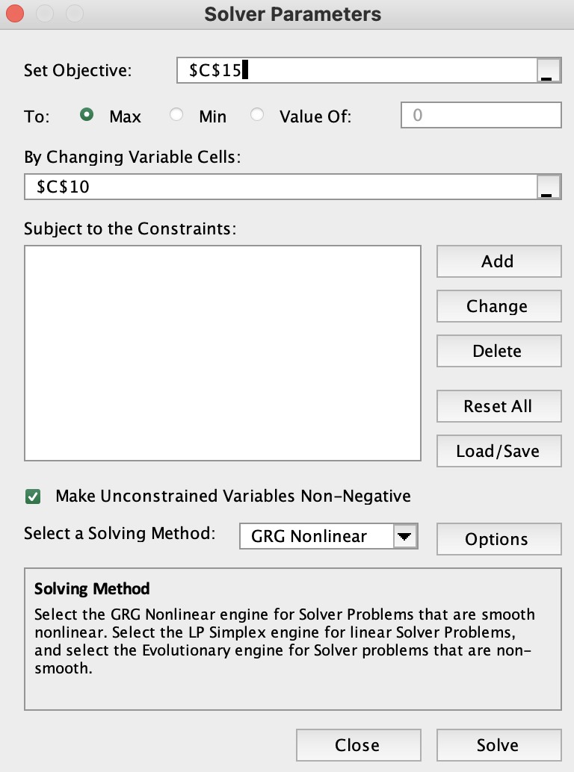
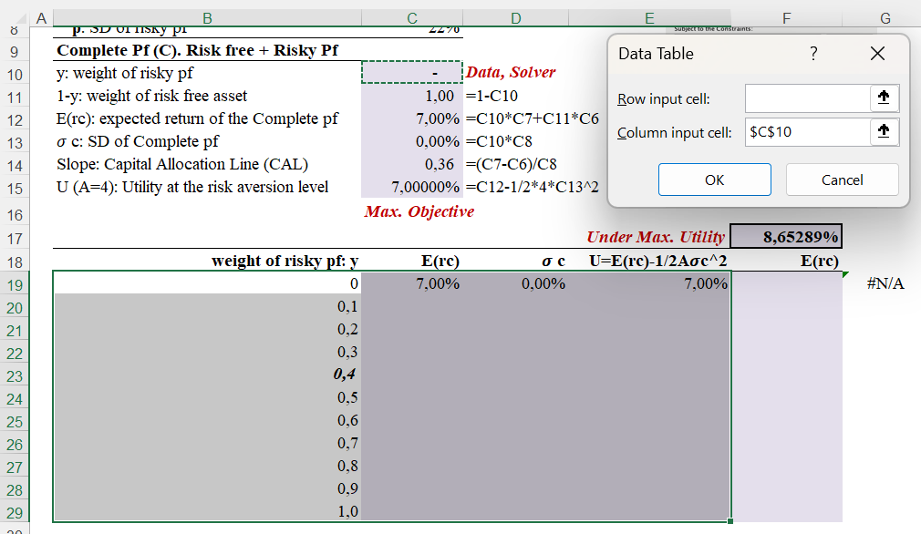
Capital Allocation. Optimal Captial Allocation using Maixum Utility
Capital Allocation > Asset Classes Allocation > Security Selection

Risky Pf (P) only
rf: rate of return of risk-free asset | 7%
E(Rp): expected return of risky pf | 15%
𝜎 p: SD of risky pf | 22%
Complete Pf (C). Risk free + Risky Pf
y: weight of risky pf | - | Solver
1-y: weight of risk free asset | 1.00
E(rc): expected return of the Complete pf | 7.00%
𝜎 c: SD of Complete pf | 0.00%
Slope: Capital Allocation Line (CAL) | 0.36
U (A=4): Utility at the risk aversion level | 7.00000%
E(rc)
 | Max. Objective
 |  |  | Under Max. Utility | 8.65289%
weight of risky pf: y | E(rc) | 𝜎 c | U=E(rc)-1/2A𝜎c^2 | E(rc)
0 | 7.00% | 0.00% | 7.00% | 8.65%
0.1 | 7.80% | 2.20% | 7.70% | 8.75%
0.2 | 8.60% | 4.40% | 8.21% | 9.04%
0.3 | 9.40% | 6.60% | 8.53% | 9.52%
0.4 | 10.20% | 8.80% | 8.65% | 10.20%
0.5 | 11.00% | 11.00% | 8.58% | 11.07%
0.6 | 11.80% | 13.20% | 8.32% | 12.14%
0.7 | 12.60% | 15.40% | 7.86% | 13.40%
0.8 | 13.40% | 17.60% | 7.20% | 14.85%
0.9 | 14.20% | 19.80% | 6.36% | 16.49%
1.0 | 15.00% | 22.00% | 5.32% | 18.33%

y=0 | =C12 | =C13 | =C15

Asset Allocation w RAs
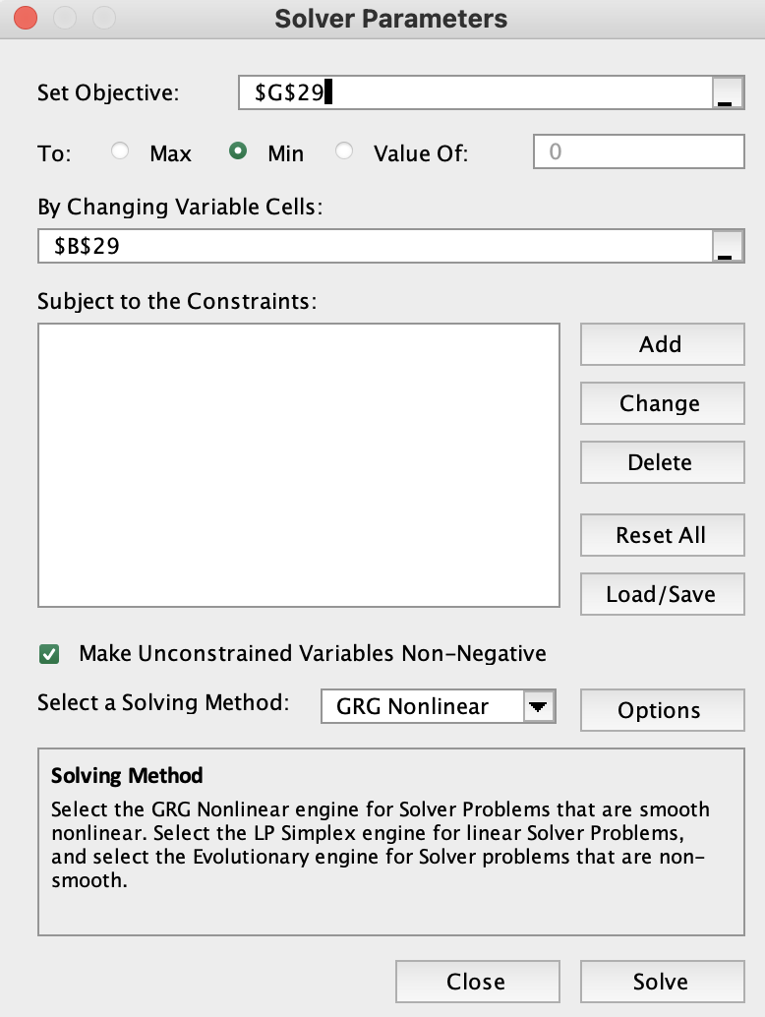
Asset Classes Allocation. Minimum Variance Portfolio: Two Risky Assets Portfolio
Capital Allocation > Asset Classes Allocation > Security Selection

Descriptive Statistics for two mutual funds |  |  | Debt (Bond) | Equity
Expected Return, E(r) |  |  | 8 | 13
Standard Deviation, 𝜎 |  |  | 12 | 20
Correlation coefficient, 𝜌DE |  |  | 0.3
Covariance, Cov(rD, rE) |  |  | 72

Expected Return and Standard Deviation |  |  | Correlation coefficient, 𝜌DE
with various correlation coefficient |  |  | -1 | 0 | 0.3 | 1
WD | WE | E(rp) | 𝜎p : Portfolio Standard Deviation for Given Correlation
0.00 | 1.00 | 13.00 | 20.00 | 20.00 | 20.00 | 20.00
0.10 | 0.90 | 12.50 | 16.80 | 18.04 | 18.40 | 19.20
0.20 | 0.80 | 12.00 | 13.60 | 16.18 | 16.88 | 18.40
0.30 | 0.70 | 11.50 | 10.40 | 14.46 | 15.47 | 17.60
0.40 | 0.60 | 11.00 | 7.20 | 12.92 | 14.20 | 16.80
0.50 | 0.50 | 10.50 | 4.00 | 11.66 | 13.11 | 16.00
0.60 | 0.40 | 10.00 | 0.80 | 10.76 | 12.26 | 15.20
0.70 | 0.30 | 9.50 | 2.40 | 10.32 | 11.70 | 14.40
0.80 | 0.20 | 9.00 | 5.60 | 10.40 | 11.45 | 13.60
0.90 | 0.10 | 8.50 | 8.80 | 10.98 | 11.56 | 12.80
1.00 | 0.00 | 8.00 | 12.00 | 12.00 | 12.00 | 12.00
Minimum Variance Portfolio of risky assets |  |  | -1 | 0 | 0.3 | 1
WD | WE | E(rp) | 𝜎p : Portfolio Standard Deviation for Given Correlation
0.63 | 0.38 | 9.88 | 0.0000 | Mininum
0.74 | 0.26 | 9.32 |  | 10.2899
0.82 | 0.18 | 8.90 |  |  | 11.4473
2.50 | -1.50 | 0.50 |  |  |  | 0.0000
Solver or Equation

Asset Allocation w Rf
Asset Classes Allocation Analysis: Two-Security Model
Capital Allocation > Asset Classes Allocation > Security Selection

 | Expected | Standard | Correlation
Securities | Return | Deviation | Coefficient 1,2 | Covariance 1,2
Bond | 8.00% | 12.00% | 0.3000 | 0.0072 | =D7*D8*E7
Equity | 13.00% | 20.00%
 | Optimal Risky Portfolio |  | Minimum Variance Pf |  | Optimal Risky Pf
0.12000 | 0.08000 | 0.00000 | 0.05000 | 0.00000 | 0.05000
0.11559 | 0.08500 | 0.11447 | 0.08900 | 0.14199 | 0.11000
0.11454 | 0.09000
0.11696 | 0.09500
0.12264 | 0.10000
0.13115 | 0.10500
0.14199 | 0.11000
0.15466 | 0.11500
0.16876 | 0.12000
0.18396 | 0.12500
0.20000 | 0.13000
T-Bill | 5.00% | 0.00%

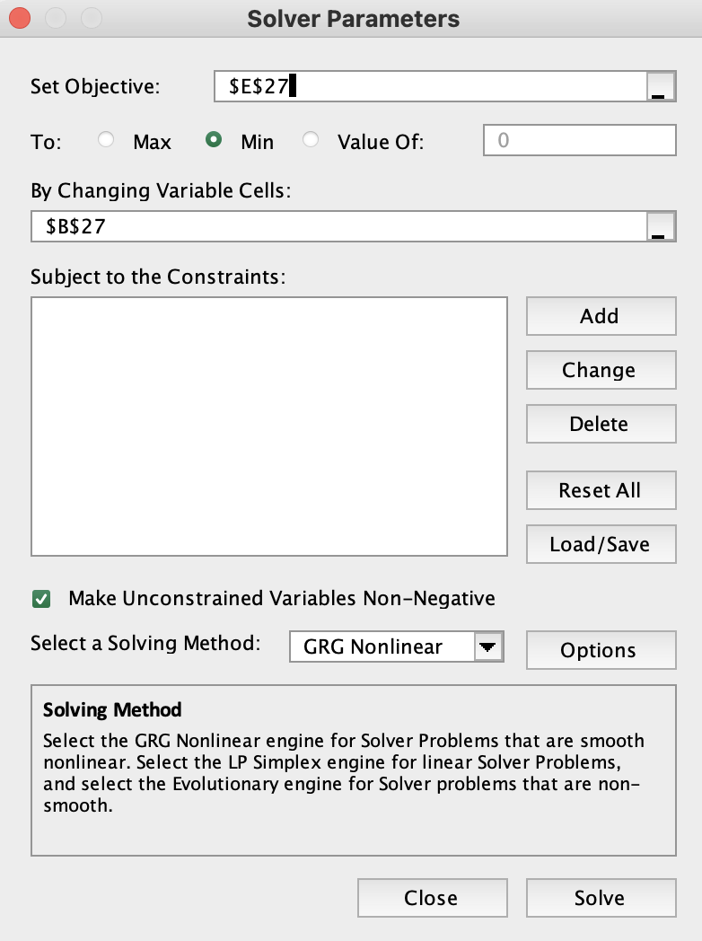
Risky Asset Portfolio: Weights, Expected Return, SD, Sharpe Ratio |  |  |  | Sharpe ratio
Weight | Weight | Expected | Standard | Reward to
Bond | Equity | Return | Deviation | Volatility
1.0 | 0.0 | 0.08000 | 0.12000 | 0.25000
0.9 | 0.1 | 0.08500 | 0.11559 | 0.30281
0.8 | 0.2 | 0.09000 | 0.11454 | 0.34922
0.7 | 0.3 | 0.09500 | 0.11696 | 0.38474
0.6 | 0.4 | 0.10000 | 0.12264 | 0.40771
0.5 | 0.5 | 0.10500 | 0.13115 | 0.41937
0.4 | 0.6 | 0.11000 | 0.14199 | 0.42258
0.3 | 0.7 | 0.11500 | 0.15466 | 0.42027
0.2 | 0.8 | 0.12000 | 0.16876 | 0.41479
0.1 | 0.9 | 0.12500 | 0.18396 | 0.40771
0.0 | 1.0 | 0.13000 | 0.20000 | 0.40000
A. Minimum Variance Portfolio of Risky Assets |  | Expected | Standard | Reward to
Bond weight | Equity weight | Return | Deviation Min. | Volatility
0.82 | 0.18 | 0.08900 | 0.11447 | 0.34069
0.82 | 0.18 | 0.08900 | 0.11447 | 0.34069
B. Optimal Risky Portfolio. Maximum of Sharpe ratio. |  |  |  | Max.
0.40 | 0.60 | 0.11000 | 0.14199 | 0.42258
0.40 | 0.60 | 0.11000 | 0.14199 | 0.42258
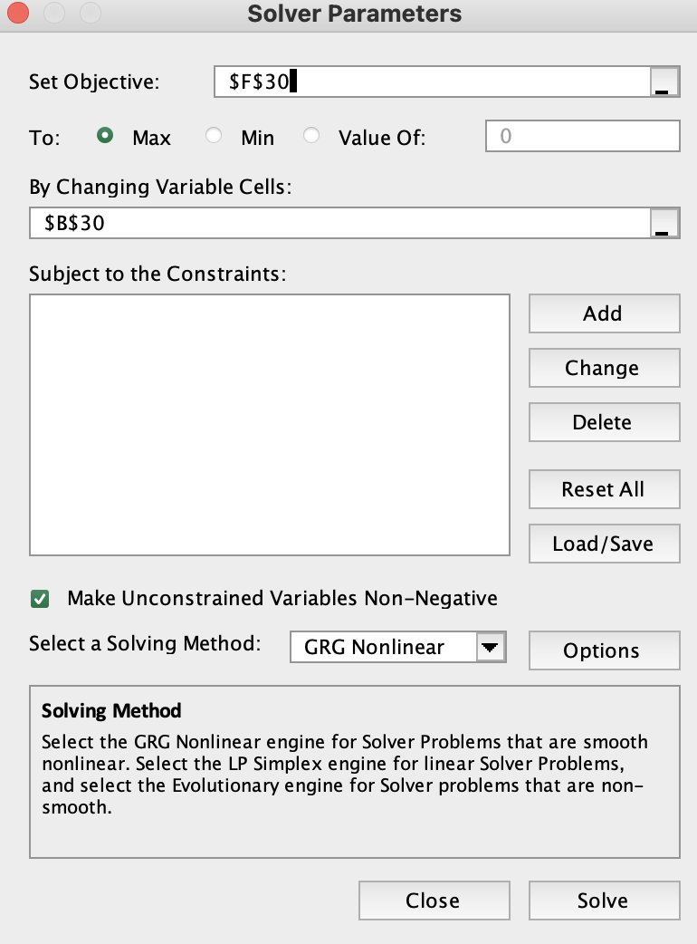
Solver

C. Optimal Complete Portfolio with U (when A = 4) |  | w/ Risk-Free Asset
 | Weight y: Optimal Risky Portfolio | 0.74405
 | Weight (1-y): Risk-Free Asset | 0.25595
 | E(rc): expected return of the Complete pf | 0.09464
 | 𝜎 c: SD of Complete pf | 0.10564
 | Sharpe Ratio | 0.42258
 | Bond weight | 0.29762
 | Equity weight | 0.44643

Appendix.
Optimal Complete Portfolio with Target rate |  | w/ Risk-Free Asset |  | w/o Risk-Free Asset
 | Desired rate of return | 12.00% | Desired rate of return | 12.00%
 | Weight: Optimal Risky Portfolio | 1.16667 | Debt | 0.20000
 | Weight: Risk-Free Asset | -0.16667 | Equity | 0.80000
 | Expected Return | 0.12000 | Expected Return | 0.12000
 | Standard Deviation | 0.16565 | Standard Deviation | 0.16876

